VERSACE
 |  |  |  |  |  |  |  |  |  |  | € 6,492,960.00 | 9053
IMAGE | SKU | BRAND | PRODUCT | GROUP | GENDER | COLOR | COMPOSITION | DESC_EN | MADE_IN_CODE | RETAIL PRICE | TOTAL RETAIL | TOT.QTY | TU | S | M | L | XL | XXL | XXXL | 40 | 41 | 42 | 43 | 44 | 45 | 46 | 48 | 50 | 52 | 54 | 56
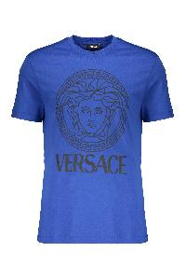 | 10118611A16047_2U240 | Versace | Blue Iconic Cotton Soft T-shirt | Clothing | M | blu | 100% CO | Blue t-shirt made of soft and lightweight cotton with the logo print on the front. The shirt has a round neck and short sleeves, providing a comfortable and casual fit. Ideal for an informal look, perfect to pair with jeans or casual pants. Available in a variety of sizes.; 100% Cotton | TR | € 430.00 | € 67,510.00 | 157 |  |  | 56 | 59 | 29 | 13
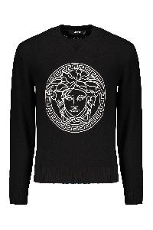 | 10118841A08648_1B000 | Versace | Cotton crew-neck sweater | Clothing | M | nero | 100% CO | Front embroidered logo; 100% Cotton | RO | € 1,130.00 | € 144,640.00 | 128 |  |  |  |  |  |  |  |  |  |  |  |  |  | 8 |  | 40 | 44 | 19 | 17
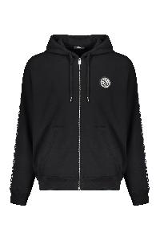 | 10121751A13795_2B020 | Versace | Cotton full zip hoodie | Clothing | M | nero | 100% CO|95% CO 5% EA|100% PL | Front logo patch; Side stripes with contrasting logo; Two front pockets; 100% Cotton, 100% Polyester, 5% Elastane, 95% Cotton | AL | € 1,035.00 | € 135,585.00 | 131 |  |  |  | 27 | 48 | 31 | 25
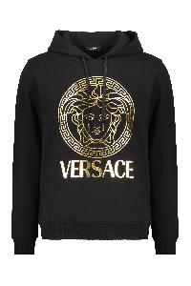 | 10118531A14057_2B150 | Versace | Cotton hoodie | Clothing | M | nero | 100% CO | Adjustable hood; Front logo print; Ribbed cuffs and lower edge; Two side pockets; 100% Cotton | TR | € 805.00 | € 277,725.00 | 345 |  | 39 | 77 | 107 | 77 | 37 | 8
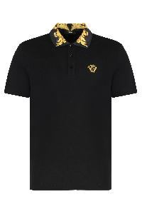 | 10122601A15633_2B130 | Versace | Cotton piqué polo shirt | Clothing | M | nero | 100% CO | Short-sleeved polo shirt characterized by a patterned collar with a three-button closure. The t-shirt features the Medusa logo embroidered in contrast color on the front.; 100% Cotton, 100% Polyester, 50% Cotton, 50% Polyester | TR | € 520.00 | € 91,000.00 | 175 |  | 26 | 55 | 52 | 26 | 16
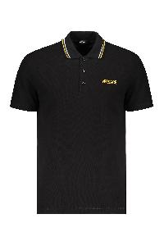 | 10118511A14049_1B000 | Versace | Cotton polo shirt | Clothing | M | nero | 100% CO | Side embroidered logo; Striped detail on the collar; 100% Cotton, 100% Viscose, 100% Polyester | TN | € 485.00 | € 41,225.00 | 85 |  |  |  | 24 | 34 | 14 | 13
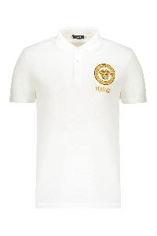 | 10118511A12074_2W110 | Versace | Cotton polo shirt | Clothing | M | bianco | 100% CO | Front logo patch; Logo detail buttons; 100% Cotton, 100% Viscose, 100% Polyester | TN | € 575.00 | € 59,800.00 | 104 |  |  |  | 34 | 40 | 18 | 12
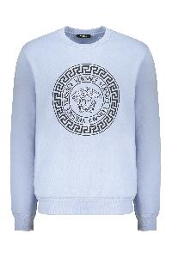 | 10118521A12064_2VI70 | Versace | Cotton sweatshirt | Clothing | M | azzurro | 100% CO | Ribbed edges; Front logo print; 100% Cotton, 95% Cotton, 5% Elastane | AL | € 580.00 | € 9,860.00 | 17 |  |  |  | 4 | 13
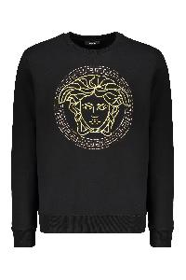 | 10118521A14074_2B130 | Versace | Cotton sweatshirt | Clothing | M | nero | 100% CO | Ribbed collar and edges; Front embroidered logo; 100% Cotton, 100% Polyester | BG | € 1,035.00 | € 166,635.00 | 161 |  | 21 | 42 | 42 | 31 | 17 | 8
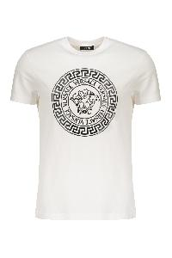 | 10118611A12076_2W020 | Versace | Cotton T-shirt | Clothing | M | bianco | 100% CO | Front maxi print; 100% Cotton | BG | € 485.00 | € 9,700.00 | 20 |  |  |  |  |  | 6 | 14
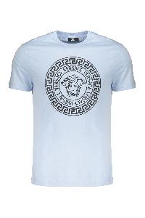 | 10118611A12076_2VI70 | Versace | Cotton T-shirt | Clothing | M | azzurro | 100% CO | Ribbed neckline; Front logo print; 100% Cotton | BG | € 485.00 | € 25,220.00 | 52 |  |  |  | 14 | 27 | 8 | 3
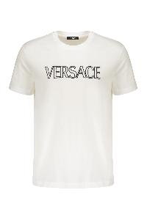 | 10118611A12070_2W020 | Versace | Cotton T-shirt | Clothing | M | bianco | 100% CO | Front embroidered logo; 100% Cotton, 100% Viscose, 100% Polyester | AL | € 485.00 | € 34,920.00 | 72 |  |  |  | 3 | 38 | 20 | 11
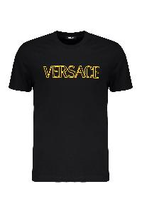 | 10118611A12070_2B130 | Versace | Cotton T-shirt | Clothing | M | nero | 100% CO | Front embroidered logo; 100% Cotton, 100% Viscose, 100% Polyester | AL | € 485.00 | € 71,780.00 | 148 |  | 23 | 44 | 32 | 31 | 12 | 6
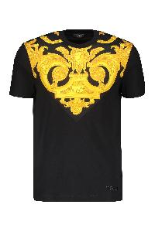 | 10121741A10245_5B000 | Versace | Cotton T-shirt | Clothing | M | nero | 100% CO | Ribbed neckline; Contrasting front print; 100% Polyester, 100% Cotton | AL | € 620.00 | € 110,980.00 | 179 |  | 6 | 5 | 65 | 61 | 27 | 15
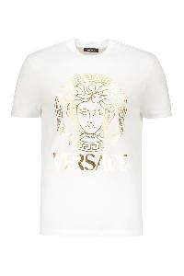 | 10118611A14053_2W110 | Versace | Cotton T-shirt | Clothing | M | bianco | 100% CO | Ribbed neckline; Front logo print; 100% Cotton | BG | € 450.00 | € 81,000.00 | 180 |  |  |  | 56 | 68 | 34 | 22
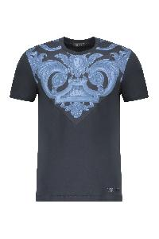 | 10121741A10245_5U960 | Versace | Cotton T-shirt | Clothing | M | blu | 100% CO | Ribbed neckline; Front print; 100% Cotton, 100% Polyester | AL | € 620.00 | € 125,860.00 | 203 |  | 8 | 11 | 65 | 70 | 31 | 18
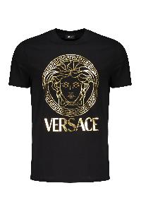 | 10118611A14053_2BI10 | Versace | Cotton T-shirt | Clothing | M | nero | 100% CO | Front maxi print; 100% Cotton | TR | € 450.00 | € 111,150.00 | 247 |  | 42 | 81 | 79 | 33 | 12
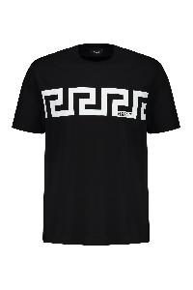 | 10144271A13835_2B020 | Versace | Cotton T-shirt | Clothing | M | nero | 100% CO | Front maxi print; 100% Cotton | BG | € 395.00 | € 128,770.00 | 326 |  | 57 | 99 | 98 | 52 | 20
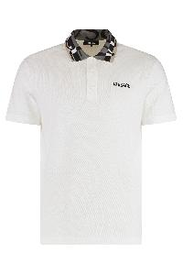 | 10122601A14426_2W020 | Versace | Cotton-piqué polo shirt | Clothing | M | bianco | 100% CO | Short-sleeved polo shirt featuring a patterned collar with a three-button closure. Contrast logo embroidered on the chest.; 100% Cotton, 100% Polyester, 50% Cotton, 50% Polyester | TR | € 520.00 | € 86,320.00 | 166 |  | 24 | 51 | 52 | 26 | 13
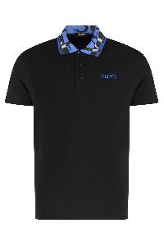 | 10122601A14426_2BB60 | Versace | Cotton-piqué polo shirt | Clothing | M | nero | 100% CO | Short-sleeved polo shirt featuring a patterned collar with a three-button closure. Contrast logo embroidered on the chest.; 100% Cotton, 100% Polyester, 50% Cotton, 50% Polyester | TR | € 520.00 | € 113,360.00 | 218 |  | 34 | 67 | 67 | 33 | 17
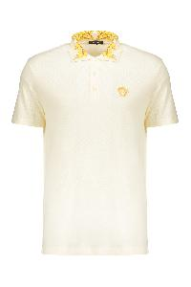 | 10122601A15633_2W0C0 | Versace | Elegant contrast collar cream polo | Clothing | M | panna | 100% CO | Cream polo shirt with contrast collar. Made from a comfortable and lightweight material, this top is perfect for a casual yet stylish look. It features an embroidered logo on the chest, adding a touch of class. The shirt is equipped with short sleeves and a button closure at the collar. Perfect for informal occasions or for wearing in your free time. Available in various sizes.; 100% Cotton, 100% Polyester, 50% Cotton, 50% Polyester | TR | € 520.00 | € 94,120.00 | 181 |  | 26 | 56 | 56 | 28 | 15
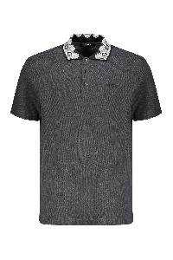 | 10122601A10242_2EO00 | Versace | Embroidered cotton polo shirt | Clothing | M | grigio | 100% CO | Front embroidered logo; Collar with contrasting color trimming; 100% Cotton | TN | € 520.00 | € 9,880.00 | 19 |  |  |  | 5 | 14
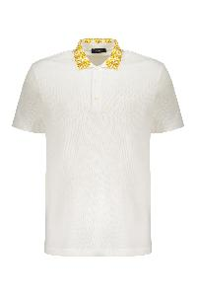 | 10122601A10242_2W110 | Versace | Embroidered cotton polo shirt | Clothing | M | bianco | 100% CO | Front embroidered logo; Collar with contrasting color trimming; 100% Cotton | TN | € 520.00 | € 16,120.00 | 31 |  |  |  | 12 | 11 | 3 | 5
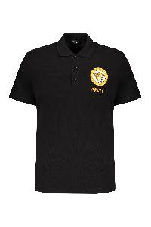 | 10118511A12074_2B130 | Versace | Embroidered cotton polo shirt | Clothing | M | nero | 100% CO | Front embroidered logo; 100% Cotton | TN | € 575.00 | € 20,700.00 | 36 |  |  |  |  | 20 | 6 | 10
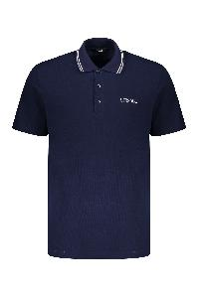 | 10118511A14049_1UI20 | Versace | Embroidered cotton polo shirt | Clothing | M | blu | 100% CO | Front embroidered logo; 100% Cotton | TN | € 485.00 | € 55,775.00 | 115 |  |  |  | 26 | 53 | 24 | 12
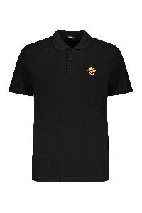 | A89507S1A14046_2B130 | Versace | Embroidered cotton polo shirt | Clothing | M | nero | 100% CO | Front embroidered logo; 100% Cotton | TR | € 485.00 | € 107,670.00 | 222 |  | 22 | 42 | 38 | 41 | 43 | 36
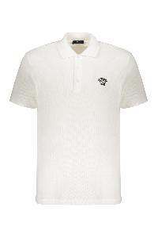 | A89507S1A14046_2W020 | Versace | Embroidered cotton polo shirt | Clothing | M | bianco | 100% CO | Front embroidered logo; 100% Cotton | TN | € 485.00 | € 200,790.00 | 414 |  | 24 | 45 | 111 | 122 | 70 | 42
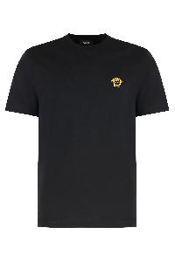 | A89500S1A14050_2BI10 | Versace | Embroidered cotton T-shirt | Clothing | M | nero | 100% CO | Cotton jersey crew neck T-shirt with metallic Medusa embroidery on the chest. Ribbed neckline.; 100% Cotton, 100% Viscose, 100% Polyester | BG | € 345.00 | € 33,120.00 | 96 |  | 16 | 31 | 31 | 10 | 8
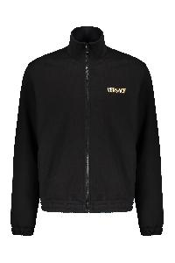 | 10144221A14059_5B000 | Versace | Full zip cotton hoodie | Clothing | M | nero | 100% CO | Front logo print; Back gold-tone metallic effect maxi logo print; Elasticated cuffs and hemline; Stand up collar; Two front pockets; 100% Cotton | TN | € 1,080.00 | € 30,240.00 | 28 |  |  |  | 2 | 12 | 6 | 8
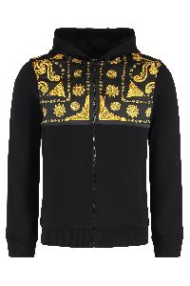 | 10215151A15809_5B000 | Versace | Full zip hoodie | Clothing | M | nero | 100% CO | Cotton sweatshirt with printed satin inserts. Adjustable hood with drawstrings. Ribbed cuffs and bottom hem. Two front pockets.; 100% Cotton, 100% Polyester | BG | € 1,130.00 | € 176,280.00 | 156 |  | 24 | 48 | 48 | 24 | 12
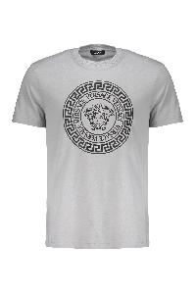 | 10118611A12076_2EO60 | Versace | Gray Soft T-shirt with Elegant Circular Design | Clothing | M | grigio | 100% CO | T-shirt in light gray cotton, characterized by the contrasting logo print on the front. The fabric is soft and breathable, ideal for everyday use. The short sleeves and round neck provide a comfortable and relaxed fit. Perfect to pair with jeans or casual pants for an informal look. Available in different sizes.; 100% Cotton | TR | € 485.00 | € 91,665.00 | 189 |  | 30 | 55 | 60 | 30 | 14
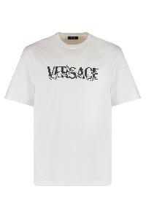 | 10144271A16040_2W020 | Versace | Logo cotton t-shirt | Clothing | M | bianco | 100% CO | Crew neck jersey T-shirt with printed logo on the front. Ribbed neckline trim. Perfect to match with jeans or sporty pants.; 100% Cotton | TR | € 345.00 | € 62,100.00 | 180 |  | 30 | 66 | 54 | 22 | 8
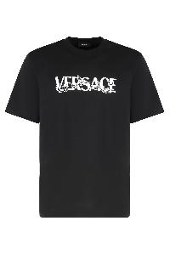 | 10144271A16040_2B020 | Versace | Logo cotton t-shirt | Clothing | M | nero | 100% CO | Crew neck jersey T-shirt with printed logo on the front. Ribbed neckline trim. Perfect to match with jeans or sporty pants.; 100% Cotton | TR | € 345.00 | € 80,385.00 | 233 |  | 40 | 81 | 71 | 29 | 12
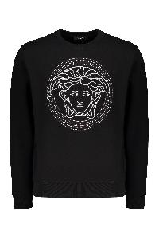 | 10118521A14074_2B900 | Versace | Logo detail cotton sweatshirt | Clothing | M | nero | 100% CO | Lurex thread embroidery; 100% Cotton, 100% Metallic fibers, 100% Polyester | BG | € 1,035.00 | € 20,700.00 | 20 |  |  |  |  | 10 | 4 | 6
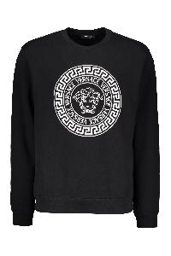 | 10118521A12064_2B020 | Versace | Logo detail cotton sweatshirt | Clothing | M | nero | 100% CO | Front maxi print; 100% Cotton, 95% Cotton, 5% Elastane | BG | € 670.00 | € 185,590.00 | 277 |  | 47 | 88 | 88 | 37 | 17
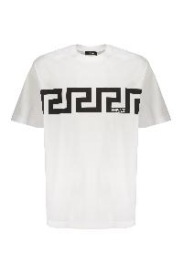 | 10144271A13835_2W020 | Versace | Printed cotton T-shirt | Clothing | M | bianco | 100% CO | Front logo print; 100% Cotton | BG | € 395.00 | € 50,955.00 | 129 |  | 21 | 40 | 37 | 24 | 6 | 1
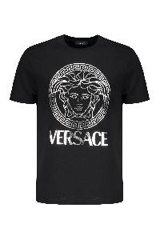 | 10118611A14053_2B900 | Versace | Printed cotton T-shirt | Clothing | M | nero | 100% CO | Front logo print; 100% Cotton | BG | € 450.00 | € 120,600.00 | 268 |  | 38 | 87 | 88 | 37 | 18
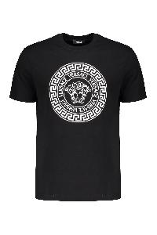 | 10118611A12076_2B020 | Versace | Printed cotton T-shirt | Clothing | M | nero | 100% CO | Front logo print; 100% Cotton | BG | € 485.00 | € 135,315.00 | 279 |  | 43 | 86 | 88 | 40 | 21 | 1
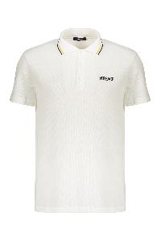 | 10118511A14049_1W000 | Versace | Short sleeve cotton polo shirt | Clothing | M | bianco | 100% CO | Front embroidered logo; Contrasting stirped collar; 100% Cotton, 100% Viscose, 100% Polyester | TN | € 485.00 | € 74,690.00 | 154 |  |  |  | 48 | 67 | 33 | 6
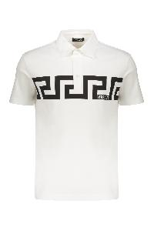 | 10192591A13841_2W020 | Versace | Short sleeve cotton polo shirt | Clothing | M | bianco | 100% CO | Front maxi print; 100% Cotton | BG | € 520.00 | € 88,400.00 | 170 |  | 22 | 43 | 43 | 45 | 16 | 1
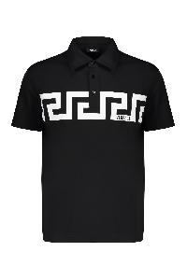 | 10192591A13841_2B020 | Versace | Short sleeve cotton polo shirt | Clothing | M | nero | 100% CO | Front maxi print; 100% Cotton | BG | € 520.00 | € 151,320.00 | 291 |  | 46 | 94 | 94 | 46 | 11
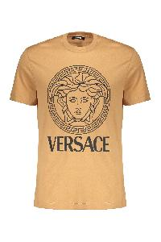 | 10118611A16047_2K500 | Versace | T-shirt with logo | Clothing | M | Cammello | 100% CO | T-shirt with a distinctive design. The garment features the logo printed on the front. The fabric feels soft and the fit is comfortable, ideal for everyday use. The short sleeves and the round collar complete the casual look. Perfect for adding a touch of style and originality to your wardrobe.; 100% Cotton | TR | € 430.00 | € 52,030.00 | 121 |  |  | 44 | 44 | 22 | 11
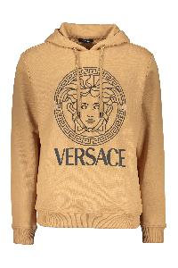 | 10118531A16088_2K500 | Versace | Versace modern caramel hooded sweatshirt | Clothing | M | Cammello | 100% CO | Hooded sweatshirt with a modern and sporty design, made in a warm caramel color. It features a large Versace logo on the front, complemented by an iconic illustration. The fit is comfortable and easy to match, perfect for creating casual and trendy looks. The long sleeves and hood add a functional touch, making it ideal for cool days. This sweatshirt is a must-have for those who wish to combine style and comfort.; 94% Cotton, 6% Elastane, 100% Cotton | TR | € 740.00 | € 105,820.00 | 143 |  | 21 | 48 | 47 | 22 | 5
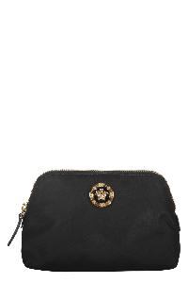 | 10155781A02155_1B00V | Versace | Elegant black beauty case with golden details | Accessories | W | nero | 100% PA|100% CALF LE | Beauty case with an elegant and compact design, ideal for everyday use or special occasions. Made from durable material, it features a zip closure and a spacious interior that allows for optimal organization of your products. The gold detail on the front adds a touch of sophistication. Perfect for completing any look, it easily adapts to different styles.; Width: 19 cm; Height: 13 cm; Depth: 9 cm; 100% Polyamide, 100% Calf | IT | € 520.00 | € 44,200.00 | 85 | 85
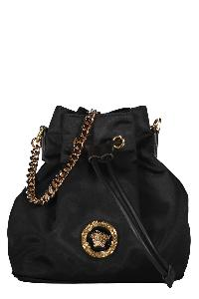 | 10028751A02155_1B00V | Versace | Bucket bag | Bags | W | nero | 100% PA|100% LAMB LE | Leather details; Drawstring closure; Removable and adjustable strap; Gold-tone metal hardware; Fabric lining; Width: 18 cm; Height: 20 cm; Depth: 11 cm; Strap: 130 cm; 100% Calf, 100% Polyamide | IT | € 875.00 | € 875.00 | 1 | 1
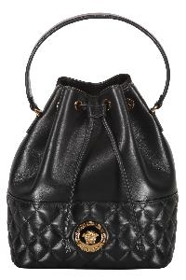 | 10117791A03912_1B00V | Versace | Bucket bag | Bags | W | nero | 60% CO 40% VI|100% LAMB LE | Lamb leather item; Drawstring closure; Internal pocket; Leather top handle; Removable leather and chain strap; Gold-tone metal hardware; Fabric lining; Width: 21 cm; Height: 26 cm; Depth: 15 cm; Strap: 125 cm; 60% Cotton, 40% Viscose, 100% Lamb | IT | € 1,580.00 | € 39,500.00 | 25 | 25
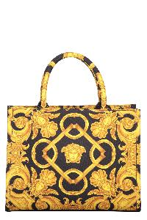 | 10145701A10399_5B00V | Versace | Canvas tote bag | Bags | W | nero | 100% PL | Jacquard motif canvas item; Two rigid handles; Internal zippered pocket; Removable strap; Gold-tone metal hardware; Leather inserts; Cotton lining; Width: 28 cm; Height: 21 cm; Depth: 14 cm; Strap: 110 cm; 100% Polyester, 100% Leather, 100% Cotton | IT | € 1,235.00 | € 71,630.00 | 58 | 58
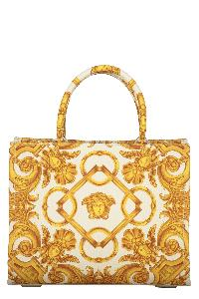 | 10145701A10399_2KM5V | Versace | Canvas tote bag | Bags | W | avorio | 100% PL | Jacquard motif canvas item; Two rigid handles; Internal zippered pocket; Removable strap; Gold-tone metal hardware; Leather inserts; Cotton lining; Width: 28 cm; Height: 21 cm; Depth: 14 cm; Strap: 110 cm; 100% Polyester, 100% Leather, 100% Cotton | IT | € 1,235.00 | € 104,975.00 | 85 | 85
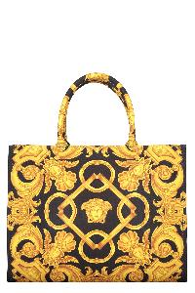 | 10145691A10399_5B00V | Versace | Canvas tote bag | Bags | W | nero | 100% PL|100% LAMB LE | Jacquard motif canvas item; Two rigid handles; Internal zippered pocket; Removable strap; Gold-tone metal hardware; Leather inserts; Cotton lining; Width: 39 cm; Height: 29 cm; Depth: 17 cm; Strap: 105 cm; 100% Polyester, 100% Leather, 100% Cotton | IT | € 1,405.00 | € 148,930.00 | 106 | 106
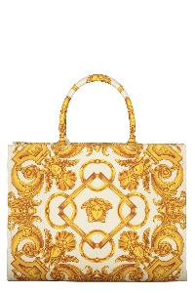 | 10145691A10399_2KM5V | Versace | Canvas tote bag | Bags | W | avorio | 100% PL|100% LAMB LE | Jacquard motif canvas item; Two rigid handles; Internal zippered pocket; Removable strap; Gold-tone metal hardware; Leather inserts; Cotton lining; Width: 39 cm; Height: 29 cm; Depth: 17 cm; Strap: 105 cm; 100% Polyester, 100% Leather, 100% Cotton | IT | € 1,405.00 | € 179,840.00 | 128 | 128
 | 10192231A03912_1B00V | Versace | Elegant and refined black bag | Bags | W | nero | 100% LAMB LE | Leather clutch in black, characterized by an elegant and refined design. The surface is decorated with a quilted pattern, which gives texture and depth to the product. Equipped with a gold chain as a shoulder strap, it offers a touch of luxury and versatility. The closure is secure, ensuring practicality and elegance for every occasion. Ideal for a night out or everyday use, this bag fits perfectly with any outfit. Compact dimensions make it lightweight and easy to carry.; Width: 18 cm; Height: 10.5 cm; Depth: 3 cm; Shoulder strap: 40 cm; 100% Lamb | IT | € 875.00 | € 52,500.00 | 60 | 60
 | 1015537DVIT2T_1KB7V | Versace | Elegant and sophisticated brown leather handbag | Bags | W | marrone | 100% CALF LE | High-quality leather bag, characterized by a smooth and refined finish. It features two sturdy handles for easy transport and an elegant front closure. The classic design with neat stitching and metal details adds a touch of sophistication. Spacious interior, ideal for storing books, documents, or personal items. Perfect for formal and everyday occasions. Available in a warm shade of brown that easily matches various outfits.; Width: 34 cm; Height: 25.5 cm; Depth: 11 cm; Shoulder strap: 126 cm; 100% Calf | RO | € 1,955.00 | € 97,750.00 | 50 | 50
 | 10155311A11245_1B00V | Versace | Elegant black clutch with golden closure | Bags | W | nero | 72% VI 28% SE | Elegant clutch made of high-quality black material. It features a secure closure and a distinctive golden decoration on the front, adding a touch of sophistication. Inside, there is a compartment and three slots that allow for the organization of cards in a practical way. This essential accessory is perfect for any occasion, combining functionality and style.; Width: 18 cm; Height: 10.5 cm; Depth: 4 cm; Strap: 120 cm; 72% Viscose, 28% Silk | IT | € 1,695.00 | € 84,750.00 | 50 | 50
 | 1013358DVIT2T_1B00V | Versace | Elegant black clutch. | Bags | W | nero | 100% CALF LE | This elegant black clutch features a minimalist and refined design. Made from high-quality material, it has a zip closure to keep your belongings secure. The distinctive metal logo adds a touch of luxury. With a practical handle, this bag is ideal for formal occasions or everyday use, perfect for carrying essentials in style.; Width: 31 cm; Height: 22 cm; Depth: 2 cm; 100% Calf | IT | € 660.00 | € 46,200.00 | 70 | 70
 | 1015525DVIT2T_1B00V | Versace | Elegant Black Leather Bag Versatile | Bags | W | nero | 100% CALF LE | Elegant and versatile bag, made of soft black leather. It features a closure with a metallic golden logo that adds a touch of sophistication. Equipped with an adjustable shoulder strap for greater comfort, it is ideal for any occasion, from day to night. The minimalist design makes it easily combinable with different outfits, while the compact dimensions make it practical for storing your essentials. Perfect for those seeking a classic and timeless style.; Width: 20 cm; Height: 13 cm; Depth: 6 cm; Shoulder strap: 150 cm; 100% Calf | IT | € 1,050.00 | € 70,350.00 | 67 | 67
 | 1020720DVIT2T_1B00V | Versace | Elegant Black Leather Bag with Golden Closure | Bags | W | nero | 100% CALF LE | Elegant bag in a refined shade of black. Characterized by a structured shape and a short handle, it features a central decorative detail that adds a touch of style. Made with high-quality materials, this bag is perfect for any occasion, whether formal or informal. Its practical dimensions make it ideal for holding all daily essentials, making this accessory a versatile and fashionable companion.; Width: 22 cm; Height: 16 cm; Depth: 10 cm; Strap: 115 cm; 100% Calf | IT | € 1,510.00 | € 75,500.00 | 50 | 50
 | 10207201A15746_1LA5V | Versace | Elegant Purple Bag in Refined Style | Bags | W | viola | 100% VL | Elegant bag in a refined shade of purple. Characterized by a structured shape and a short handle, it features a central decorative detail that adds a touch of style. Made with high-quality materials, this bag is perfect for any occasion, both formal and informal. Its practical dimensions make it ideal for holding all daily essentials, making this accessory a versatile and fashionable companion.; Width: 22 cm; Height: 16 cm; Depth: 10 cm; Shoulder strap: 115 cm; 100% Calf | IT | € 1,510.00 | € 45,300.00 | 30 | 30
 | 1014246DVIT2T_1B00V | Versace | La Medusa leather handbag | Bags | W | nero | 100% CALF LE | Pebbled leather bag. Metallic Medusa plaque on the front. The model can be worn by hand or on the shoulder thanks to the removable and adjustable shoulder strap. ; Flat internal pocket. Gold-tone metal hardware. Contrast fabric lining. ; Width: 26 cm ; Height: 18 cm ; Depth: 8 cm ; Shoulder strap: 100 cm; 100% Calf | IT | € 1,510.00 | € 58,890.00 | 39 | 39
 | 1015537DVIT2T_1B00V | Versace | Large leather tote bag | Bags | W | nero | 100% CALF LE | Pebbled leather bag. Metal Medusa plate on the front. Flat pocket applied on the back. Top zip closure. Two internal pockets. Removable and adjustable leather shoulder strap. Gold-tone metal hardware. Contrast canvas lining.; Width: 34 cm; Height: 26 cm; Depth: 15 cm; Shoulder strap: 120 cm; 100% Calf | RO | € 1,955.00 | € 185,725.00 | 95 | 95
 | 10062641A04093_1B00V | Versace | Leather clutch | Bags | W | nero | 100% PA|100% LAMB LE | Calf leather item; Magnetic flap closure; Two internal compartments with central zippered pocket; Internal flat pocket; Ten card slots; Removable leather and chain strap; Gold-tone metal hardware; Fabric lining; Width: 21,5 cm; Height: 12,5 cm; Depth: 3 cm; Strap: 124,5 cm; 100% Calf, 100% Cotton | IT | € 1,050.00 | € 68,250.00 | 65 | 65
 | DBSI159S1A03912_1PV4V | Versace | Leather clutch with logo | Bags | W | rosa | 60% CO 40% VI|100% LAMB LE | Quilted leather item; Magnetic flap closure; Two internal compartments with central zippered pocket; Internal flat pocket; Ten card slots; Removable chain strap; Gold-tone metal hardware; Fabric lining; Width: 21,5 cm; Height: 12,5 cm; Depth: 3 cm; Strap: 96 cm; 100% Lamb, 40% Viscose, 60% Cotton | IT | € 1,150.00 | € 32,200.00 | 28 | 28
 | DBSI159S1A03912_1B00V | Versace | Leather clutch with logo | Bags | W | nero | 60% CO 40% VI|100% LAMB LE | Quilted leather item; Magnetic flap closure; Two internal compartments with central zippered pocket; Internal flat pocket; Ten card slots; Removable chain strap; Gold-tone metal hardware; Fabric lining; Width: 21,5 cm; Height: 12,5 cm; Depth: 3 cm; Strap: 96 cm; 100% Lamb, 40% Viscose, 60% Cotton | IT | € 1,150.00 | € 149,500.00 | 130 | 130
 | 10133511A04093_1B00V | Versace | Leather crossbody bag | Bags | W | nero | 100% CO|100% CALF LE | Pebbled calfskin item; Closure with flap and press fasteners; Leather top handle; One card slot; Removable and adjustable leather shoulder strap; Gold-tone metal hardware; Cotton lining; Width: 28 cm; Height: 21 cm; Depth: 13 cm; Strap: 70 cm; 100% Cotton, 100% Calf | IT | € 1,670.00 | € 8,350.00 | 5 | 5
 | 10133531A03912_1B00V | Versace | Leather crossbody bag | Bags | W | nero | 60% CO 40% VI|100% LAMB LE | Quilted leather item; Magnetic flap closure; One card slot; Sliding chain strap with leather shoulder pad; Gold-tone metal hardware; Fabric lining; Width: 26 cm; Height: 14 cm; Depth: 7 cm; Strap: 130 cm; 60% Cotton, 40% Viscose, 100% Lamb | IT | € 1,580.00 | € 23,700.00 | 15 | 15
 | 1014248DVIT2T_1B00V | Versace | Leather crossbody bag | Bags | W | nero | 100% CO|100% CALF LE | Calf leather item; Top zippered closure; Front flat pocket; Internal flat pocket; Embossed metal logo; Leather adjustable strap; Gold-tone metal hardware; Fabric lining; Width: 24,5 cm; Height: 13,5 cm; Depth: 7 cm; Strap: 120 cm; 100% Cotton, 100% Calf | IT | € 1,235.00 | € 29,640.00 | 24 | 24
 | 1013350DVIT2T_1B00V | Versace | Leather crossbody bag | Bags | W | nero | 100% CO|100% CALF LE | Pebbled calfskin item; Magnetic fastening flap; Adjustable and removable shoulder strap; Gold-tone metal hardware; Contrast color lining; Width: 22 cm; Height: 14 cm; Depth: 7 cm; Strap: 110 cm; 100% Cotton, 100% Calf | IT | € 1,315.00 | € 40,765.00 | 31 | 31
 | DBSI159S1A03912_1RA8V | Versace | Leather crossbody bag | Bags | W | arancione | 60% CO 40% VI|100% LAMB LE | Push-lock closure flap with metal logo; Two internal compartments with central zippered pocket; Internal flat pocket; Eight card slots; Gold-tone metal hardware; Fabric lining; Removable chain strap; Width: 23 cm; Height: 14 cm; Depth: 5 cm; Strap: 94 cm; 60% Cotton, 40% Viscose, 100% Lamb | IT | € 1,150.00 | € 43,700.00 | 38 | 38
 | 10155561A04093_1B00V | Versace | Leather crossbody bag | Bags | W | nero | 100% CO|100% CALF LE | Pebbled calfskin item; Closure with flap and press fasteners; Leather top handle; One card slot; Removable and adjustable leather shoulder strap; Gold-tone metal hardware; Cotton lining; Width: 21 cm; Height: 18 cm; Depth: 10 cm; Strap: 70 cm; 100% Cotton, 100% Calf | IT | € 1,545.00 | € 67,980.00 | 44 | 44
 | 10155791A03912_1B00V | Versace | Leather flat pouch | Bags | W | nero | 100% LAMB LE | Quilted leather pouch. Gold-tone metallic logo applied to the front. Zipper closure. Removable wrist strap. Six card slots. Gold-tone metal hardware. Fabric lining. ; Width: 26 cm ; Height: 18 cm ; Depth: 2 cm; 100% Lamb | RO | € 840.00 | € 66,360.00 | 79 | 79
 | 10142781A04093_1B00V | Versace | Leather shoulder bag | Bags | W | nero | 100% CO|100% CALF LE | Push-lock closure flap with metal logo; One card slot; Adjustable leather shoulder strap; Gold-tone metal hardware; Fabric lining; Width: 23 cm; Height: 15 cm; Depth: 5 cm; Strap: 70 cm; 100% Calf, 100% Cotton | IT | € 1,405.00 | € 67,440.00 | 48 | 48
 | 1015533DVIT2T_1B00V | Versace | Leather tote | Bags | W | nero | 100% CALF LE | Calf leather item; Two leather handles; Snap closure; Internal zippered pouch; Gold-tone metal hardware; Floral jacquard lining; Width: 37 cm; Height: 28 cm; Depth: 13 cm; 100% Calf, 100% Polyester | IT | € 1,235.00 | € 29,640.00 | 24 | 24
 | 10137921A02155_1B00V | Versace | Logo detail nylon backpack | Bags | W | nero | 100% PA|100% LAMB LE | Magnetic flap closure; Drawstring closure under the flap; Leather details; Internal flat pocket; Leather top handle; Two adjustable shoulder straps; Gold-tone metal hardware; Fabric lining; Width: 18 cm; Height: 19,5 cm; Depth: 11,5 cm; 100% Polyamide, 100% Calf | IT | € 920.00 | € 38,640.00 | 42 | 42
 | 10028761A02155_1B00V | Versace | Logo detail nylon backpack | Bags | W | nero | 100% PA | Magnetic flap closure; Drawstring closure under the flap; Leather details; Internal flat pocket; Front exterior zippered pocket; Fabric adjustable shoulder straps and handle; Gold-tone metal hardware; Fabric lining; Width: 24,5 cm; Height: 24,5 cm; Depth: 14 cm; 100% Polyamide, 100% Calf | IT | € 1,050.00 | € 79,800.00 | 76 | 76
 | 10155231A02155_1B00V | Versace | Nylon tote | Bags | W | nero | 100% PA| 100% LAMB LE | Two fabric handles; Top zippered closure; Internal zippered pocket; Gold-tone metal hardware; Leather inserts; Nylon lining; Width: 43 cm; Height: 38 cm; Depth: 11 cm; Strap: 100 cm; 100% Polyamide, 100% Calf | IT | € 1,150.00 | € 56,350.00 | 49 | 49
 | 10155731A15734_1B00V | Versace | Patent leather wallet on chain | Bags | W | nero | 100% CALF LE | Patent leather bag with large metallic Medusa logo on the front. Closure with flap and magnetic button. Three inner card slots. Removable chain shoulder strap. Gold-tone metal hardware. Leather lining. ; Width: 19 cm ; Height: 10 cm ; Depth: 3 cm; Strap: 120 cm; 100% Calf | IT | € 1,150.00 | € 74,750.00 | 65 | 65
 | 10145681A10397_1B00V | Versace | Small canvas tote bag | Bags | W | nero | 100% CO|100% CALF LE | Canvas bag with leather details. Logo made of metal studs on the front. Internal pocket with zip closure. Detachable shoulder strap. Gold-tone metal hardware. Canvas lining.; Width: 28 cm; Height: 22 cm; Depth: 12 cm; Shoulder strap: 110 cm; 100% Cotton, 100% Calf | IT | € 1,405.00 | € 70,250.00 | 50 | 50
...

